date vs income
Row Labels | Sum of Yearly Income
Qtr1 | 251320000
Qtr2 | 310690000
Qtr3 | 237030000
Qtr4 | 260200000
Grand Total | 1059240000

date vs bought
Row Labels | Sum of Bought Liability Insurance
Qtr1 | 2158
Qtr2 | 2951
Qtr3 | 1784
Qtr4 | 2239
Grand Total | 9132

income vs gender vs stat
Sum of Yearly Income | Column Labels
Row Labels | Married | Single | Grand Total
Female | 286880000 | 237080000 | 523960000
Male | 317640000 | 217640000 | 535280000
Grand Total | 604520000 | 454720000 | 1059240000

edu vs income vs occ
Sum of Yearly Income | Column Labels
Row Labels | Clerical | Management | Manual | Professional | Skilled Manual | Grand Total
Bachelors | 18490000 | 141930000 | 920000 | 128870000 | 54690000 | 344900000
Graduate Degree | 14400000 | 95280000 | 690000 | 56950000 | 43460000 | 210780000
High School | 2460000 | 33160000 | 16430000 | 70230000 | 39290000 | 161570000
Partial College | 43330000 | 11040000 | 12110000 | 137560000 | 75550000 | 279590000
Partial High School | 11240000 | 2490000 | 9070000 | 15890000 | 23710000 | 62400000
Grand Total | 89920000 | 283900000 | 39220000 | 409500000 | 236700000 | 1059240000

house for 4 cat
Gender | (All)
Marriedarital SingletatuSingle | (All)
Education | (All)
Age | (All)

Row Labels | Sum of Yearly Income | Sum of pre
No | 330040000 | $31.16
Yes | 729200000 | $68.84
Grand Total | 1059240000 | $100.00

region for 4 cat
Gender | (All)
Marriedarital SingletatuSingle | (All)
Education | (All)
Age | (All)

Row Labels | Sum of Yearly Income | Sum of precent
Ontario | 587230000 | $55.44
Prarie | West | 231040000 | $21.81
Quebec | 240970000 | $22.75
Grand Total | 1059240000 | $100.00

gender vs income vs edu
Sum of Yearly Income | Column Labels
Row Labels | Female | Male | Grand Total
Bachelors | 169210000 | 175690000 | 344900000
Graduate Degree | 105510000 | 105270000 | 210780000
High School | 77230000 | 84340000 | 161570000
Partial College | 141920000 | 137670000 | 279590000
Partial High School | 30090000 | 32310000 | 62400000
Grand Total | 523960000 | 535280000 | 1059240000

stat vs income vs occ
Sum of Yearly Income | Column Labels
Row Labels | Married | Single | Grand Total
Clerical | 43920000 | 46000000 | 89920000
Management | 176600000 | 107300000 | 283900000
Manual | 11890000 | 27330000 | 39220000
Professional | 236120000 | 173380000 | 409500000
Skilled Manual | 135990000 | 100710000 | 236700000
Grand Total | 604520000 | 454720000 | 1059240000

age vs income vs 4 cat
Marriedarital SingletatuSingle | (All)
Education | (All)
Occupation | (All)
Region | (All)

Sum of Yearly Income | Column Labels
Row Labels | Female | Male | Grand Total
31-35 | 22580000 | 23950000 | 46530000
36-40 | 65360000 | 64610000 | 129970000
41-45 | 94410000 | 91430000 | 185840000
46-50 | 92870000 | 98720000 | 191590000
51-55 | 81300000 | 82570000 | 163870000
56-60 | 62570000 | 64890000 | 127460000
>61 | 104870000 | 109110000 | 213980000
Grand Total | 523960000 | 535280000 | 1059240000

age vs bought vs 4cat
Education | (All)
Marriedarital SingletatuSingle | (All)
Occupation | (All)
Region | (All)

Sum of Bought Liability Insurance | Column Labels
Row Labels | Female | Male | Grand Total
31-35 | 301 | 337 | 638
36-40 | 592 | 604 | 1196
41-45 | 1070 | 1056 | 2126
46-50 | 803 | 744 | 1547
51-55 | 691 | 639 | 1330
56-60 | 522 | 517 | 1039
>61 | 618 | 638 | 1256
Grand Total | 4597 | 4535 | 9132

dash4
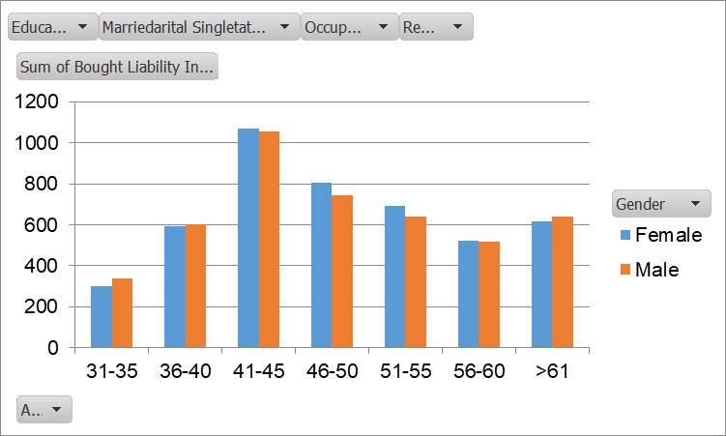
 | Total
Qtr1 | 251320000
Qtr2 | 310690000
Qtr3 | 237030000
Qtr4 | 260200000
 | Total
Qtr1 | 2158
Qtr2 | 2951
Qtr3 | 1784
Qtr4 | 2239
 | Sum of Yearly Income | Sum of pre
No | 330040000 | $31.16
Yes | 729200000 | $68.84

 | Married | Single
Female | 286880000 | 237080000
Male | 317640000 | 217640000
 | Clerical | Management | Manual | Professional | Skilled Manual
Bachelors | 18490000 | 141930000 | 920000 | 128870000 | 54690000
Graduate Degree | 14400000 | 95280000 | 690000 | 56950000 | 43460000
High School | 2460000 | 33160000 | 16430000 | 70230000 | 39290000
Partial College | 43330000 | 11040000 | 12110000 | 137560000 | 75550000
Partial High School | 11240000 | 2490000 | 9070000 | 15890000 | 23710000
 | Sum of Yearly Income | Sum of precent
Ontario | 587230000 | $55.44
Prarie | West | 231040000 | $21.81
Quebec | 240970000 | $22.75

 | Female | Male
31-35 | 22580000 | 23950000
36-40 | 65360000 | 64610000
41-45 | 94410000 | 91430000
46-50 | 92870000 | 98720000
51-55 | 81300000 | 82570000
56-60 | 62570000 | 64890000
>61 | 104870000 | 109110000
 | Female | Male
Bachelors | 169210000 | 175690000
Graduate Degree | 105510000 | 105270000
High School | 77230000 | 84340000
Partial College | 141920000 | 137670000
Partial High School | 30090000 | 32310000
 | Married | Single
Clerical | 43920000 | 46000000
Management | 176600000 | 107300000
Manual | 11890000 | 27330000
Professional | 236120000 | 173380000
Skilled Manual | 135990000 | 100710000

